Wealth Score
National Score

 | Statistics
 | REGR factor score 1 for analysis 1
 | N | Valid | 27060
 |  | Missing | 0
 | Mean |  | -0.1770490
 | Median |  | -0.1704988
 | Std. Deviation |  | 0.95303315
 | Minimum |  | -2.61478
 | Maximum |  | 1.84251
 | Percentiles | 20 | -1.0406578
 |  | 40 | -0.3963590
 |  | 60 | 0.0524312
 |  | 80 | 0.7663374

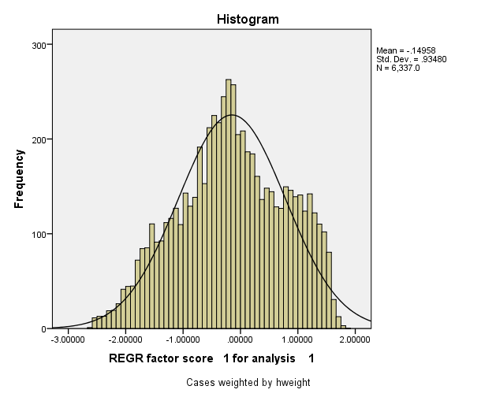

Report
Mean
 | Wealth Index Quintiles
 | 1.00 | 2.00 | 3.00 | 4.00 | 5.00 | Total
If piped drinking water in residence | 0.030 | 0.067 | 0.082 | 0.229 | 0.592 | 0.200
If uses a private flush toilet | 0.007 | 0.020 | 0.085 | 0.474 | 0.884 | 0.294
If gets piped water from a public tap | 0.018 | 0.006 | 0.006 | 0.021 | 0.017 | 0.014
If uses a shared flush toilet | 0.000 | 0.003 | 0.010 | 0.023 | 0.019 | 0.011
If gets water from a lake/stream | 0.146 | 0.102 | 0.035 | 0.025 | 0.004 | 0.063
If uses a private VIP latrine | 0.008 | 0.060 | 0.162 | 0.159 | 0.025 | 0.083
If has a dirt or sand floor | 0.581 | 0.171 | 0.026 | 0.006 | 0.000 | 0.157
If gets water from a well in own yard/residence | 0.351 | 0.657 | 0.653 | 0.563 | 0.329 | 0.511
If gets water from a public well | 0.035 | 0.030 | 0.026 | 0.012 | 0.004 | 0.021
If gets drinking water from other source | 0.010 | 0.015 | 0.007 | 0.006 | 0.003 | 0.008
If has a cement floor (includes vinyl & other floor types) | 0.132 | 0.534 | 0.432 | 0.251 | 0.068 | 0.284
If has finished floor | 0.022 | 0.235 | 0.526 | 0.735 | 0.932 | 0.490
If has wood flooring | 0.177 | 0.058 | 0.016 | 0.007 | 0.000 | 0.052
If uses a private pit latrine | 0.392 | 0.557 | 0.577 | 0.270 | 0.052 | 0.370
If uses a shared pit latrine | 0.086 | 0.080 | 0.064 | 0.033 | 0.010 | 0.055
If uses some other type of latrine | 0.000 | 0.000 | 0.000 | 0.000 | 0.000 | 0.000
If uses wood or dung as cooking fuel | 0.936 | 0.737 | 0.512 | 0.227 | 0.010 | 0.484
If has other flooring | 0.000 | 0.000 | 0.000 | 0.000 | 0.000 | 0.000
If uses kerosene as cooking fuel | 0.007 | 0.007 | 0.016 | 0.034 | 0.015 | 0.016
If uses other cooking fuel | 0.000 | 0.000 | 0.002 | 0.000 | 0.000 | 0.001
If floor is made of palm fronds | 0.087 | 0.002 | 0.000 | 0.000 | 0.000 | 0.018
If uses electricity for cooking fuel | 0.003 | 0.000 | 0.006 | 0.012 | 0.002 | 0.005
If uses LPG as cooking fuel | 0.006 | 0.050 | 0.107 | 0.435 | 0.886 | 0.297
If walls are made with covered adobe | 0.015 | 0.017 | 0.006 | 0.005 | 0.001 | 0.009
If uses the bush as a latrine | 0.503 | 0.264 | 0.091 | 0.028 | 0.006 | 0.179
If walls are made of cement | 0.024 | 0.029 | 0.008 | 0.003 | 0.004 | 0.013
If walls are made of plywood | 0.042 | 0.048 | 0.008 | 0.007 | 0.001 | 0.021
If walls are made of brick | 0.046 | 0.577 | 0.894 | 0.943 | 0.990 | 0.690
If walls are made of recycled wood | 0.142 | 0.042 | 0.010 | 0.002 | 0.000 | 0.039
If walls are made of wood | 0.162 | 0.078 | 0.026 | 0.017 | 0.000 | 0.057
If walls are made of natural materials | 0.535 | 0.178 | 0.033 | 0.010 | 0.000 | 0.151
If roof made of metal | 0.184 | 0.188 | 0.181 | 0.305 | 0.508 | 0.273
If roof made of natural materials | 0.310 | 0.067 | 0.014 | 0.007 | 0.001 | 0.080
If roof made of calamine/cement fiber | 0.139 | 0.159 | 0.110 | 0.100 | 0.067 | 0.115
If roof made of tiles | 0.358 | 0.545 | 0.552 | 0.366 | 0.139 | 0.392
If roof made of cement | 0.008 | 0.041 | 0.140 | 0.221 | 0.279 | 0.138
If roof made of shingles | 0.001 | 0.000 | 0.003 | 0.001 | 0.006 | 0.002
If gets water from a spring | 0.365 | 0.011 | 0.004 | 0.005 | 0.001 | 0.077
If uses rainwater for drinking | 0.045 | 0.111 | 0.186 | 0.139 | 0.050 | 0.106
If uses coal as cooking fuel | 0.014 | 0.044 | 0.102 | 0.210 | 0.082 | 0.090
If uses straw for cooking fuel | 0.035 | 0.163 | 0.255 | 0.081 | 0.005 | 0.108
Number of members per sleeping room | 3.830 | 2.709 | 2.363 | 2.196 | 1.883 | 2.596
Bicycle | 0.535 | 0.837 | 0.928 | 0.876 | 0.805 | 0.796
Motorcycle or Scooter | 0.231 | 0.407 | 0.582 | 0.771 | 0.957 | 0.590
Animal drawn cart | 0.009 | 0.076 | 0.096 | 0.033 | 0.013 | 0.046
Car or Truck | 0.000 | 0.003 | 0.003 | 0.003 | 0.042 | 0.010
Boat with motor | 0.102 | 0.092 | 0.072 | 0.053 | 0.025 | 0.069
Both without motor | 0.106 | 0.087 | 0.062 | 0.021 | 0.006 | 0.056
Electricity | 0.805 | 0.987 | 0.997 | 1.000 | 1.000 | 0.958
Radio | 0.300 | 0.340 | 0.414 | 0.475 | 0.628 | 0.432
Television | 0.497 | 0.813 | 0.954 | 0.977 | 1.000 | 0.848
Telephone | 0.006 | 0.059 | 0.131 | 0.452 | 0.939 | 0.317
Refrigerator | 0.001 | 0.019 | 0.023 | 0.211 | 0.803 | 0.211
Washing machine | 0.000 | 0.000 | 0.001 | 0.014 | 0.408 | 0.085
Water pump | 0.103 | 0.386 | 0.618 | 0.701 | 0.673 | 0.497
Cupboard | 0.460 | 0.739 | 0.936 | 0.972 | 0.999 | 0.821
Table and chairs | 0.564 | 0.869 | 0.945 | 0.954 | 0.993 | 0.865

